pins
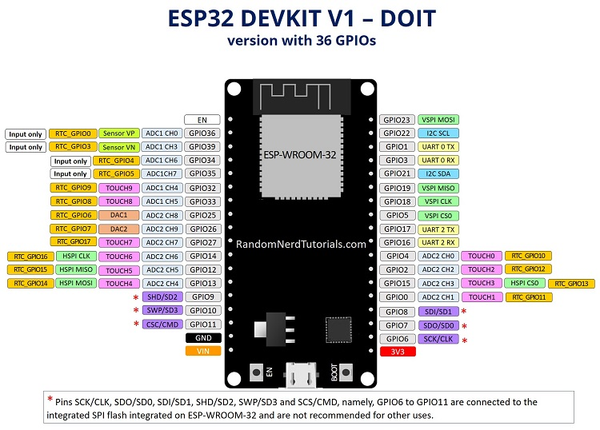

 | GPIO | Input | Output | Notes
 | GPIO00 | pulled up | OK | outputs PWM signal at boot
 | GPIO01 | TX pin | OK | debug output at boot | inp | out |  |  |  |  | inp | out
 | GPIO02 | OK | OK | connected to on-board LED |  |  | EN |  |  | GPIO23 | OK | OK
 | GPIO03 | OK | RX pin | HIGH at boot | OK | - | GPIO36 |  |  | GPIO22 | OK | OK
 | GPIO04 | OK | OK |  | OK | - | GPIO39 |  |  | GPIO01 | TX pin | OK
 | GPIO05 | OK | OK | outputs PWM signal at boot | OK | - | GPIO34 |  |  | GPIO03 | OK | RX pin
 | GPIO06 | x | x | connected to the integrated SPI flash | OK | - | GPIO35 |  |  | GPIO21 | OK | OK
 | GPIO07 | x | x | connected to the integrated SPI flash | OK | OK | GPIO32 |  |  | GPIO19 | OK | OK
 | GPIO08 | x | x | connected to the integrated SPI flash | OK | OK | GPIO33 |  |  | GPIO18 | OK | OK
 | GPIO09 | x | x | connected to the integrated SPI flash | OK | OK | GPIO25 |  |  | GPIO05 | OK | OK
 | GPIO10 | x | x | connected to the integrated SPI flash | OK | OK | GPIO26 |  |  | GPIO17 | OK | OK
 | GPIO11 | x | x | connected to the integrated SPI flash | OK | OK | GPIO27 |  |  | GPIO16 | OK | OK
 | GPIO12 | OK | OK | boot fail if pulled high | OK | OK | GPIO14 |  |  | GPIO04 | OK | OK
 | GPIO13 | OK | OK |  | OK | OK | GPIO12 |  |  | GPIO02 | OK | OK
 | GPIO14 | OK | OK | outputs PWM signal at boot | OK | OK | GPIO13 |  |  | GPIO15 | OK | OK
 | GPIO15 | OK | OK | outputs PWM signal at boot | x | x | GPIO09 |  |  | GPIO00 | pulled up | OK
 | GPIO16 | OK | OK |  | x | x | GPIO10 |  |  | GPIO08 | x | x
 | GPIO17 | OK | OK |  | x | x | GPIO11 |  |  | GPIO07 | x | x
 | GPIO18 | OK | OK |  |  |  | GND |  |  | GPIO06 | x | x
 | GPIO19 | OK | OK |  |  |  | VIN |  |  | 3v3
 | GPIO21 | OK | OK |  |  |  |  | USB
 | GPIO22 | OK | OK
 | GPIO23 | OK | OK
 | GPIO25 | OK | OK |  |  |  |  |  | 5
 | GPIO26 | OK | OK |  |  |  |  |  | 6
 | GPIO27 | OK | OK
 | GPIO32 | OK | OK
 | GPIO33 | OK | OK
 | GPIO34 | OK | - | input only
 | GPIO35 | OK | - | input only
 | GPIO36 | OK | - | input only
 | GPIO39 | OK | - | input only

Screens: |  | color |  | mapped to | ESP32 | mapped to | color | esp32
GND |  | BLACK | GND | GND | GND | GND | BLACK | GND
3V3 |  | RED | 3V3 | 3v3 | GPIO23 | SDA | purple2 | GPIO23
SCL | clock | purple1 | SCL | GPIO18 | GPIO22 | RES | orange1 | GPIO22
SDA | MOSI | purple2 | SDA | GPIO23 | TX |  | #N/A | TX
RES | reset | orange1 | RES | GPIO22 | RX |  | #N/A | RX
DC | data/command | orange2 | DC | GPIO21 | GPIO21 | DC | orange2 | GPIO21
( cs) |  |  | #N/A | #N/A | GND ? |  | #N/A | GND ?
BLK | backlight | grey | BLK | GPIO19 | GPIO19 | BLK | grey | GPIO19
. |  |  | #N/A | #N/A | GPIO18 | SCL | purple1 | GPIO18
CS0 | chipselect | grey | CS0 | GPIO32 | GPIO05 |  | #N/A | GPIO05
CS1 | chipselect | grey | CS1 | GPIO33 | GPIO17 |  | #N/A | GPIO17
CS2 | chipselect | grey | CS2 | GPIO25 | GPIO16 |  | #N/A | GPIO16
CS3 | chipselect | grey | CS3 | GPIO26 | GPIO04 |  | #N/A | GPIO04
CS4 | chipselect | grey | CS4 | GPIO27 | GPIO00 |  | #N/A | GPIO00
CS5 | chipselect | grey | CS5 | GPIO13 | GPIO02 |  | #N/A | GPIO02
 |  |  |  |  | GPIO15 |  | #N/A | GPIO15
 |  |  |  |  | SD0 |  | #N/A | SD0
 | cs4 | cs5 |  |  | CLK |  | #N/A | CLK
 | cs2 | cs3
 | cs0 | cs1 |  |  | 3v3 | 3V3 | RED | 3v3
 |  |  |  |  | EN |  | #N/A | EN
 |  |  |  |  | GPIO36 | (SN) | #N/A | GPIO36
 |  |  |  |  | GPIO39 | (SP) | #N/A | GPIO39
 |  |  |  |  | GPIO34 |  | #N/A | GPIO34
 |  |  |  |  | GPIO35 |  | #N/A | GPIO35
 |  |  |  |  | GPIO32 | CS0 | grey | GPIO32
 |  |  |  |  | GPIO33 | CS1 | grey | GPIO33
 |  |  |  |  | GPIO25 | CS2 | grey | GPIO25
 |  |  |  |  | GPIO26 | CS3 | grey | GPIO26
 |  |  |  |  | GPIO27 | CS4 | grey | GPIO27
 |  |  |  |  | GPIO14 |  | #N/A | GPIO14
 |  |  |  |  | GPIO12 |  | #N/A | GPIO12
 |  |  |  |  | GND |  | #N/A | GND
 |  |  |  |  | GPIO13 | CS5 | grey | GPIO13
 |  |  |  |  | GPIO09 | (SD2) | #N/A | GPIO09
 |  |  |  |  | GPIO10 | (SD3) | #N/A | GPIO10
 |  |  |  |  | GPIO11 | (CMD) | #N/A | GPIO11
 |  |  |  |  | VIN | V5 | #N/A | VIN

